Application Screen
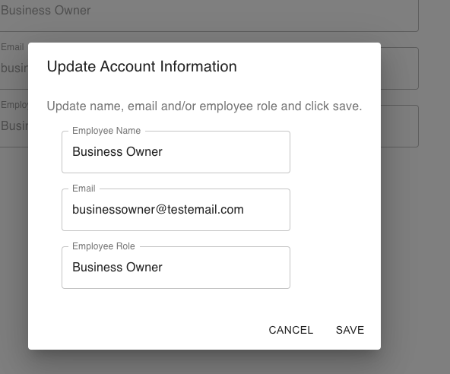
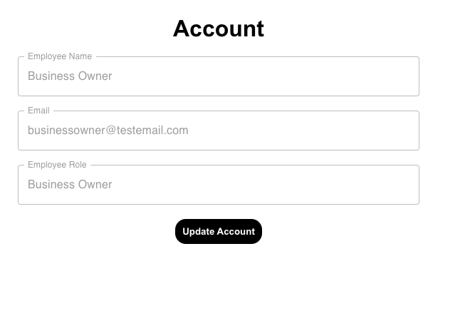

Test Case 4
TC Title: | TC4 Data Flow Out

TC Objective: | The objective of this test case relates to how the Update Admin Account details feature affects the view account feature. Any updated information is sent to and reflected to the account page

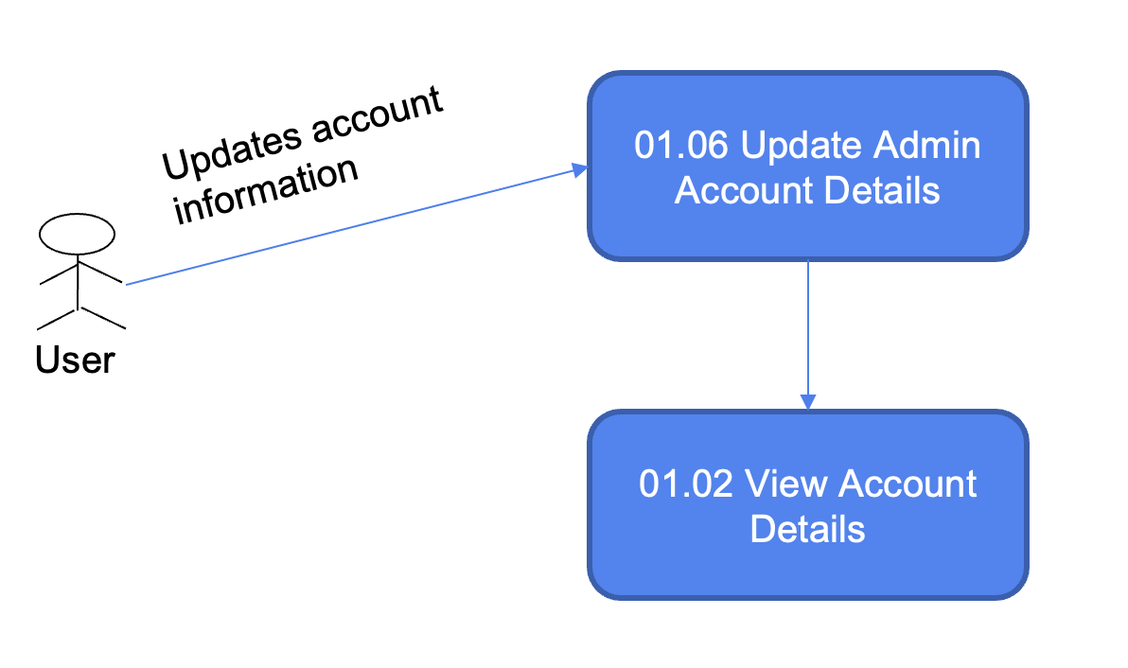
TC Description | Step | Step Description | Expected Results | Data Flow Diagram
 | 1 | actor clicks on update account | pop up "update account information"
 | 2 | change employee name / email / employee role information and click save | data flow out from update account information to account and gets updated

